CutOut Image
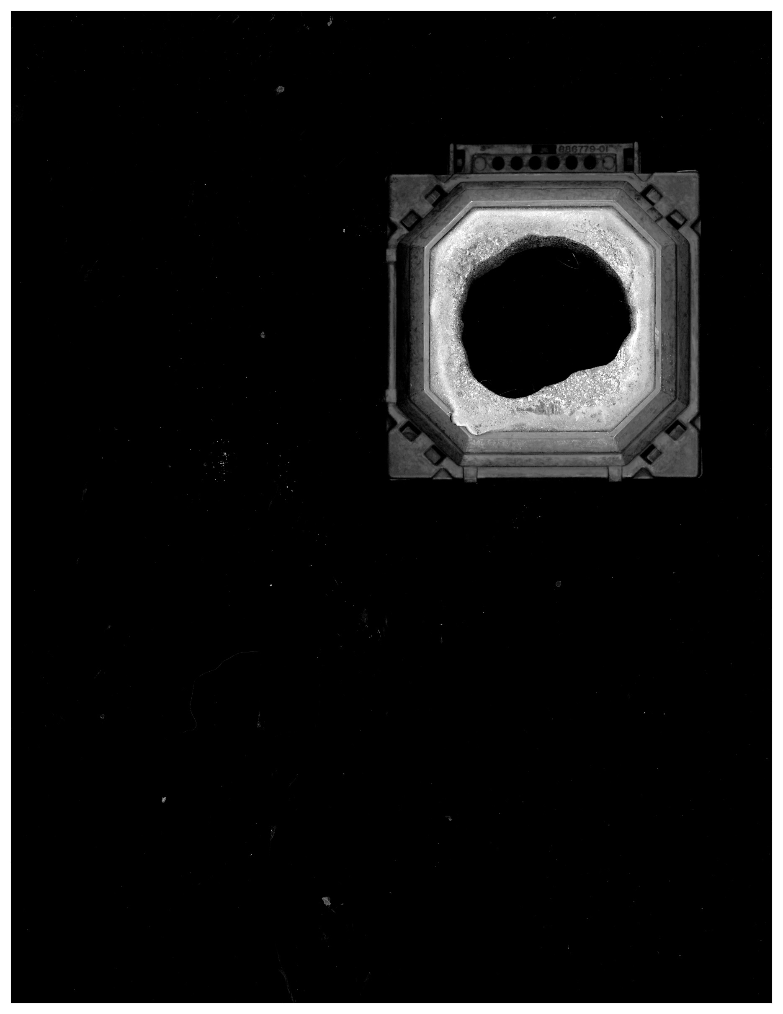

 | Block Points
2.4 | 0.4
2.4 | 0.2
2.4 | 0.2
2.4 | 0.1
2.4 | -0.2
2.4 | -0.2
2.4 | -0.4
2.4 | -0.4
2.4 | -0.6
2.3 | -0.7
2.2 | -0.9
2.2 | -1.1
2.1 | -1.3
2.0 | -1.6
2.0 | -1.6
1.9 | -1.6
1.8 | -1.8
1.8 | -1.8
1.7 | -1.8
1.6 | -1.9
1.6 | -2.0
1.5 | -2.0
1.5 | -2.0
1.3 | -2.1
1.2 | -2.1
1.0 | -2.2
0.6 | -2.2
0.6 | -2.2
0.5 | -2.1
0.4 | -2.1
0.3 | -2.1
0.2 | -2.0
0.1 | -2.0
0.1 | -2.0
-0.1 | -1.9
-0.2 | -1.9
-0.3 | -1.8
-0.4 | -1.8
-0.6 | -1.7
-0.7 | -1.7
-0.7 | -1.7
-0.8 | -1.7
-0.8 | -1.6
-0.8 | -1.6
-0.9 | -1.5
-1.1 | -1.5
-1.4 | -1.5
-1.5 | -1.4
-1.6 | -1.4
-1.7 | -1.4
...

